Sheet
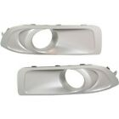
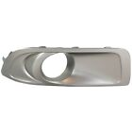
SKU | Image | product title | price | location | quantity
SU1039101 |  | Details about Fog Light Trim Set For 2010-2012 Subaru Outback Left & Right w/Fog Light Hole | US $34.13 | La Salle, Illinois, United States | More than 10 available
SU1039101 |  | Details about New Fog Light Trim Driving Lamp Passenger Right Side RH Hand SU1039101 | US $28.18 | La Salle, Illinois, United States | Limited quantity available

